Deep Learning Performance
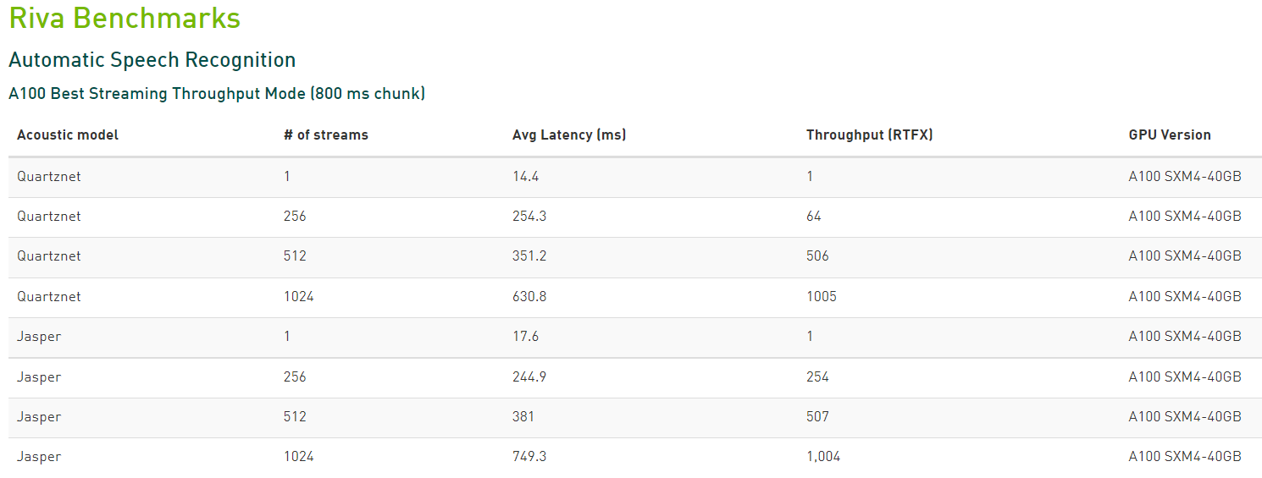
Reproducible Performance | Reproduce on your systems by following the instructions in the Measuring Training and Inferencing Performance on NVIDIA AI Platforms Reviewer’s Guide Measuring-Training-and-Inferencing-Performance-on-NVIDIA-AI-Platforms-21.09.pdf
Related Resources | Read why training to convergence is essential for enterprise AI adoption. https://developer.nvidia.com/blog/updating-ai-product-performance-from-throughput-to-time-to-solution/
 | Learn how Cloud Service, OEMs Raise the Bar on AI Training with NVIDIA AI in the MLPerf training. https://blogs.nvidia.com/blog/2021/12/01/mlperf-ai-cloud-service-oems/
 | Access containers in the NVIDIA NGC™ catalog. https://catalog.ngc.nvidia.com/collections
 | Learn how MLPerf Benchmarks show why AI is the future of HPC. https://blogs.nvidia.com/blog/2021/11/17/mlperf-hpc-ai/
HPC Performance | Review the latest GPU-acceleration factors of popular HPC applications. https://developer.nvidia.com/hpc-application-performance NVIDIA HPC Application Performance

Training to Convergence

PyTorch | Precision: Mixed | Dataset: Wikipedia 2020/01/01 | Convergence criteria - refer to MLPerf requirements

MLPerf Training Performance NVIDIA A100 Performance on MLPerf 1.1 AI Benchmarks - Closed Division

Framework | Network | Dataset
MXNet | ResNet-50 v1.5 | ImageNet2012
 | SSD | COCO2017
 | 3D U-Net | KiTS19
PyTorch | BERT | Wikipedia 2020/01/01
 | Mask R-CNN | COCO2017
 | RNN-T | LibriSpeech
TensorFlow | MiniGo | Go
NVIDIA Merlin HugeCTR | DLRM | Criteo AI Lab’s Terabyte Click-Through-Rate (CTR)
NVIDIA A100 Performance on MLPerf 1.0 Training HPC Benchmarks: Strong Scaling - Closed Division
Framework | Network | Dataset
MXNet | CosmoFlow | CosmoFlow N-body cosmological simulation data with 4 cosmological parameter targets
PyTorch | DeepCAM | CAM5+TECA climate simulation with 3 target classes (atmospheric river, tropical cyclone, background)

NVIDIA A100 Performance on MLPerf 1.0 Training HPC Benchmarks: Weak Scaling - Closed Division
Framework | Network | Dataset
MXNet | CosmoFlow | CosmoFlow N-body cosmological simulation data with 4 cosmological parameter targets
PyTorch | DeepCAM | CAM5+TECA climate simulation with 3 target classes (atmospheric river, tropical cyclone, background)
Converged Training Performance of NVIDIA A100, A40, A30, A10, T4 and V100
Framework | Network | Dataset
MXNet | ResNet-50 v1.5 | ImageNet2012
PyTorch | Mask R-CNN | COCO 2014
 | SSD v1.1 | COCO 2017
 | Tacotron2 | LJSpeech 1.1
 | WaveGlow | LJSpeech 1.1
 | Jasper | LibriSpeech
 | Transformer | wmt14-en-de
 | FastPitch | LJSpeech 1.1
 | GNMT V2 | wmt16-en-de
 | NCF | MovieLens 20M
 | BERT-LARGE | SQuaD v1.1
 | Transformer-XL Large | WikiText-103
 | Transformer-XL Base | WikiText-103
 | BERT-Large Pre-Training P1 | Wikipedia+BookCorpus
 | BERT-Large Pre-Training P2 | Wikipedia+BookCorpus
 | BERT-Large Pre-Training E2E | Wikipedia+BookCorpus
Tensorflow | ResNet-50 v1.5 | ImageNet2012
 | ResNext101 | Imagenet2012
 | SE-ResNext101 | Imagenet2012
 | U-Net Industrial | DAGM2007
 | U-Net Medical | EM segmentation challenge
 | VAE-CF | MovieLens 20M
 | Wide and Deep | Kaggle Outbrain Click Prediction
 | BERT-LARGE | SQuaD v1.1
 | Electra Base Fine Tuning | SQuaD v1.1
 | EfficientNet-B4 | ImageNet2012
 | V-Net Medical | Hippocampus head and body from Medical Segmentation Decathlon
FastPitch throughput metric frames/sec refers to mel-scale spectrogram frames/sec | Server with a hyphen is a pre-production server BERT-Large = BERT-Large Fine Tuning (Squadv1.1) with Sequence Length of 384 BERT-Large Pre-Training Sequence Length for Phase 1 = 128 and Phase 2 = 512 | Batch Size for Phase 1 = 65,536 and Phase 2 = 32,768 EfficientNet-B4: Mixup = 0.2 | Auto-Augmentation | cuDNN Version = 8.0.5.39 | NCCL Version = 2.7.8 Starting from 21.09-py3, ECC is enabled

Converged Training Performance of NVIDIA GPU on Cloud
Framework | Network | Dataset
PyTorch | BERT-LARGE | SQuaD v1.1
Tensorflow | BERT-LARGE | SQuaD v1.1
BERT-Large = BERT-Large Fine Tuning (Squadv1.1) with Sequence Length of 384 Starting from 21.09-py3, ECC is enabled

Converged Multi-Node Training Performance of NVIDIA GPU
Framework | Network | Dataset
PyTorch | BERT-LARGE Pre-Training P1 | SQuaD v1.1
 | BERT-LARGE Pre-Training P2 | SQuaD v1.1
 | BERT-LARGE Pre-Training E2E | SQuaD v1.1
BERT-Large Pre-Training Phase 1 Sequence Length = 128 BERT-Large Pre-Training Phase 2 Sequence Length = 512 Starting from 21.09-py3, ECC is enabled

Single-GPU Training
Single GPU Training Performance of NVIDIA A100, A40, A30, A10, T4 and V100

AI Inference
MLPerf Interence
Real-world inferencing demands high throughput and low latencies with maximum efficiency across use cases. An industry-leading solution lets customers quickly deploy AI models into real-world production with the highest performance from data center to edge. Related Resources Learn how NVIDIA landed top performance spots on all MLPerf Inference 1.1 tests. Read the inference whitepape（NVIDIA AI FOR GPU-ACCELERATED DEEP LEARNING INFERENCE.pdf） to explore the evolving landscape and get an overview of inference platforms. Power high-throughput, low-latency inference with NVIDIA’s complete solution stack: Achieve the most efficient inference performance with NVIDIA® TensorRT™ running on NVIDIA Tensor Core GPUs. Maximize performance and simplify the deployment of AI models with the NVIDIA Triton™ Inference Server. Pull software containers from NVIDIA NGC to race into production.

MLPerf Inference v1.1 Performance Benchmarks Offline Scenario - Closed Division

MLPerf Inference v1.1 Performance Benchmarks Server Scenario - Closed Division

MLPerf Inference v1.1 Performance Benchmarks Power Efficiency Offline Scenario - Closed Division

MLPerf Inference v1.1 Performance Benchmarks Power Efficiency Server Scenario - Closed Division

Network | Throughput | Dataset | Target Accuracy
ResNet-50 v1.5 | xxx samples/sec | ImageNet
SSD ResNet-34 |  | COCO
3D-UNet |  | BraTS 2019
RNN-T |  | LibriSpeech
BERT |  | SQuAD v1.1
MLPerf™ v1.1 Inference Closed: ResNet-50 v1.5, SSD ResNet-34, RNN-T, BERT 99% of FP32 accuracy target, 3D U-Net, DLRM 99% of FP32 accuracy target: 1.1-033, 1.1-037, 1.1-039, 1.1-042, 1.1-043, 1.1-046, 1.1-047, 1.1-048, 1.1-051. MLPerf name and logo are trademarks. See https://mlcommons.org/ for more information. BERT-Large sequence length = 384. DLRM samples refers to 270 pairs/sample average 4x1g.6gb and 7x1g.10gb is a notation used to refer to the MIG configuration. In this example, the workload is running on 4 or 7 single GPC slices, each with 6GB or 10GB of memory on a single A30 and A100 respectively. For MLPerf™ various scenario data, click here For MLPerf™ latency constraints, click here

Inference Performance of NVIDIA A100, A40, A30, A10, A2, T4 and V100

NVIDIA A100 BERT Inference Benchmarks

Inference Image Classification on CNNs with TensorRT

MLPerf Inference v1.1 Performance Benchmarks Power Efficiency Server Scenario - Closed Division

A100 Full Chip Inference Performance( A100, A40, A30, A10, A2, T4 and V100)
A100 1/7 MIG Inference Performance
A100 7 MIG Inference Performance
Network | Batch Size | Full Chip Throughput | Latency (ms) | GPU | Server | Container | Precision | Dataset | Framework | GPU Version
ResNet-50 | 1/2/8/128/223 | 11,468 images/sec | 0.7 | 1x A100 | DGX A100 | 21.09-py3 | INT8 | Synthetic | TensorRT 8.0.3 | A100 SXM-80GB
ResNet-50v1.5
ResNext101
EfficientNet-B0
BERT-BASE |  |  |  |  |  |  |  | Sample Text
BERT-LARGE

AI Pipeline
Conversational AI NVIDIA Riva is an application framework for multimodal conversational AI services that deliver real-time performance on GPUs. Related Resources Download and get started with NVIDIA Riva.https://developer.nvidia.com/riva/getting-started

